Color Palettes
CDA Color Palettes |  |  |  |  |  |  |  |  |  | CVGA Color Palettes
Text Mode (4 Byte) |  |  | Text Mode (2 Byte) |  |  |  |  |  |  | Text Mode (4 Byte) |  |  | Bitmap Mode (4 Bit)
Color | Lum = 0 | Lum = 1 | R | G | B | 00 | 01 | 10 | 11 | Color | Lum = 0 | Lum = 1 | Color | Default | Alternate | Grey | Custom
0000 | 000000 | 555555 | 00 | 00 | 00 | 000000 | 404040 | 808080 | C0C0C0 | 0000 | 000000 | 555555 | 0000 | 000000 | 000000 | 000000 | 000000
0001 | 000080 | 0000FF | 00 | 00 | 01 | 000055 | 404080 | 8080D5 | C0C0D5 | 0001 | 000080 | 0000FF | 0001 | 0080FF | 000080 | 111111 | 9DAFFF
0010 | 008000 | 00FF00 | 00 | 00 | 10 | 0000AA | 4040C0 | 8080D5 | C0C0EA | 0010 | 008000 | 00FF00 | 0010 | 80FF00 | 008000 | 222222 | 81C57A
0011 | 008080 | 00FFFF | 00 | 00 | 11 | 0000FF | 4040FF | 8080FF | C0C0FF | 0011 | 008080 | 00FFFF | 0011 | 00FF80 | 008080 | 333333 | E9DEBB
0100 | 800000 | FF0000 | 00 | 01 | 00 | 005500 | 408040 | 80D580 | C0D5C0 | 0100 | 800000 | FF0000 | 0100 | FF0080 | 800000 | 444444 | FF9233
0101 | 800080 | FF00FF | 00 | 01 | 01 | 005555 | 408080 | 80D5D5 | C0D5D5 | 0101 | 800080 | FF00FF | 0101 | 8000FF | 800080 | 555555 | 8126C0
0110 | 808000 | FFFF00 | 00 | 01 | 10 | 0055AA | 4080C0 | 80D5D5 | C0D5EA | 0110 | 808000 | FFFF00 | 0110 | FF8000 | 808000 | 666666 | 814A19
0111 | AAAAAA | FFFFFF | 00 | 01 | 11 | 0055FF | 4080FF | 80D5FF | C0D5FF | 0111 | AAAAAA | FFFFFF | 0111 | AAAAAA | AAAAAA | 777777 | A0A0A0
1000 | 2A2A2A | 7F7F7F | 00 | 10 | 00 | 00AA00 | 40C040 | 80D580 | C0EAC0 | 1000 | 2A2A2A | 7F7F7F | 1000 | 555555 | 555555 | 888888 | 575757
1001 | 004080 | 0080FF | 00 | 10 | 01 | 00AA55 | 40C080 | 80D5D5 | C0EAD5 | 1001 | 004080 | 0080FF | 1001 | 0000FF | 0000FF | 999999 | 2A4BD7
1010 | 408000 | 80FF00 | 00 | 10 | 10 | 00AAAA | 40C0C0 | 80D5D5 | C0EAEA | 1010 | 408000 | 80FF00 | 1010 | 00FF00 | 00FF00 | AAAAAA | 1D6914
1011 | 008040 | 00FF80 | 00 | 10 | 11 | 00AAFF | 40C0FF | 80D5FF | C0EAFF | 1011 | 008040 | 00FF80 | 1011 | 00FFFF | 00FFFF | BBBBBB | 29D0D0
1100 | 800040 | FF0080 | 00 | 11 | 00 | 00FF00 | 40FF40 | 80FF80 | C0FFC0 | 1100 | 800040 | FF0080 | 1100 | FF0000 | FF0000 | CCCCCC | AD2323
1101 | 400080 | 8000FF | 00 | 11 | 01 | 00FF55 | 40FF80 | 80FFD5 | C0FFD5 | 1101 | 400080 | 8000FF | 1101 | FF00FF | FF00FF | DDDDDD | FFCDF3
1110 | 804000 | FF8000 | 00 | 11 | 10 | 00FFAA | 40FFC0 | 80FFD5 | C0FFEA | 1110 | 804000 | FF8000 | 1110 | FFFF00 | FFFF00 | EEEEEE | FFEE33
1111 | D5D5D5 | FFC080 | 00 | 11 | 11 | 00FFFF | 40FFFF | 80FFFF | C0FFFF | 1111 | D5D5D5 | FFC080 | 1111 | FFFFFF | FFFFFF | FFFFFF | FFFFFF
Text Mode (2 Byte) |  |  | 01 | 00 | 00 | 550000 | 804040 | D58080 | D5C0C0 | Text Mode (2 Byte) |  |  | Bitmap Mode (2 Bit)
Lum | Grey | Custom | 01 | 00 | 01 | 550055 | 804080 | D580D5 | D5C0D5 | Lum | Grey | Custom | Color | Default | Alternate | Grey | Custom
00 | 000000 | 000000 | 01 | 00 | 10 | 5500AA | 8040C0 | D580D5 | D5C0EA | 00 | 000000 | 000000 | 00 | 000000 | 000000 | 000000 | 000000
01 | 555555 | FF8000 | 01 | 00 | 11 | 5500FF | 8040FF | D580FF | D5C0FF | 01 | 555555 | FF8000 | 01 | FF0000 | FF8000 | 555555 | 402000
10 | AAAAAA | 00FF00 | 01 | 01 | 00 | 555500 | 808040 | D5D580 | D5D5C0 | 10 | AAAAAA | 00FF00 | 10 | 00FF00 | 80FF00 | AAAAAA | 804000
11 | FFFFFF | FFFFFF | 01 | 01 | 01 | 555555 | 808080 | D5D5D5 | D5D5D5 | 11 | FFFFFF | FFFFFF | 11 | FFFFFF | FFFFFF | FFFFFF | FF8000
 |  |  | 01 | 01 | 10 | 5555AA | 8080C0 | D5D5D5 | D5D5EA |  |  |  | Bitmap Mode (1 Bit)
 |  |  | 01 | 01 | 11 | 5555FF | 8080FF | D5D5FF | D5D5FF |  |  |  | Color | Default | Alternate | Grey | Custom
 |  |  | 01 | 10 | 00 | 55AA00 | 80C040 | D5D580 | D5EAC0 |  |  |  | 0 | 000000 | 000000 | 000000 | 000000
 |  |  | 01 | 10 | 01 | 55AA55 | 80C080 | D5D5D5 | D5EAD5 |  |  |  | 1 | FFFFFF | FF8000 | D5D5D5 | 00FF00
 |  |  | 01 | 10 | 10 | 55AAAA | 80C0C0 | D5D5D5 | D5EAEA
 |  |  | 01 | 10 | 11 | 55AAFF | 80C0FF | D5D5FF | D5EAFF
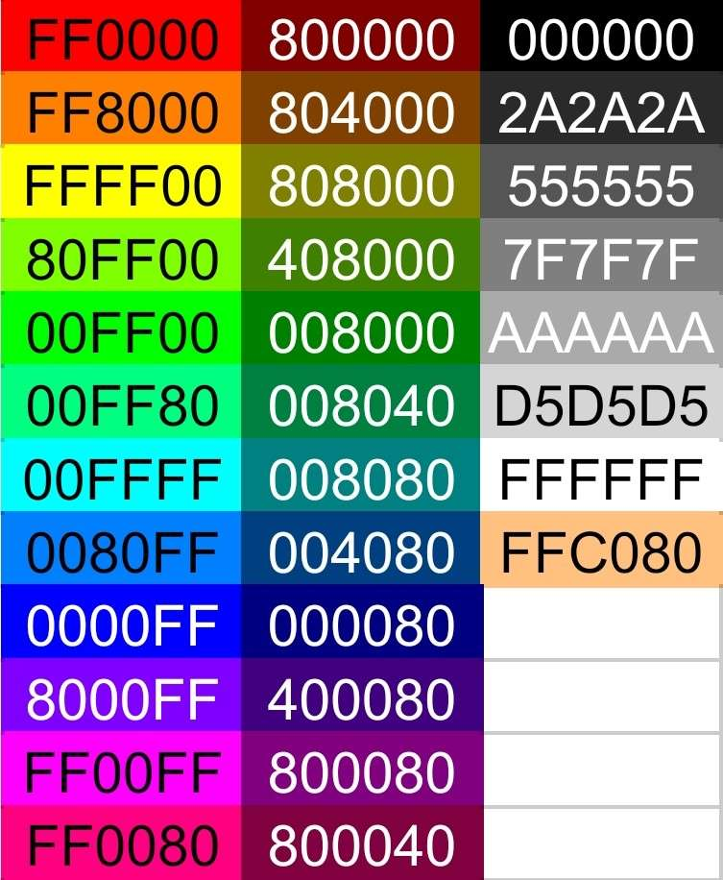
 |  |  | 01 | 11 | 00 | 55FF00 | 80FF40 | D5FF80 | D5FFC0
 |  |  | 01 | 11 | 01 | 55FF55 | 80FF80 | D5FFD5 | D5FFD5
 |  |  | 01 | 11 | 10 | 55FFAA | 80FFC0 | D5FFD5 | D5FFEA
 |  |  | 01 | 11 | 11 | 55FFFF | 80FFFF | D5FFFF | D5FFFF
 |  |  | 10 | 00 | 00 | AA0000 | C04040 | D58080 | EAC0C0
 |  |  | 10 | 00 | 01 | AA0055 | C04080 | D580D5 | EAC0D5
 |  |  | 10 | 00 | 10 | AA00AA | C040C0 | D580D5 | EAC0EA
 |  |  | 10 | 00 | 11 | AA00FF | C040FF | D580FF | EAC0FF
 |  |  | 10 | 01 | 00 | AA5500 | C08040 | D5D580 | EAD5C0
 |  |  | 10 | 01 | 01 | AA5555 | C08080 | D5D5D5 | EAD5D5
 |  |  | 10 | 01 | 10 | AA55AA | C080C0 | D5D5D5 | EAD5EA
 |  |  | 10 | 01 | 11 | AA55FF | C080FF | D5D5FF | EAD5FF
 |  |  | 10 | 10 | 00 | AAAA00 | C0C040 | D5D580 | EAEAC0
 |  |  | 10 | 10 | 01 | AAAA55 | C0C080 | D5D5D5 | EAEAD5
 |  |  | 10 | 10 | 10 | AAAAAA | C0C0C0 | D5D5D5 | EAEAEA
 |  |  | 10 | 10 | 11 | AAAAFF | C0C0FF | D5D5FF | EAEAFF
 |  |  | 10 | 11 | 00 | AAFF00 | C0FF40 | D5FF80 | EAFFC0
 |  |  | 10 | 11 | 01 | AAFF55 | C0FF80 | D5FFD5 | EAFFD5
 |  |  | 10 | 11 | 10 | AAFFAA | C0FFC0 | D5FFD5 | EAFFEA
 |  |  | 10 | 11 | 11 | AAFFFF | C0FFFF | D5FFFF | EAFFFF
 |  |  | 11 | 00 | 00 | FF0000 | FF4040 | FF8080 | FFC0C0
 |  |  | 11 | 00 | 01 | FF0055 | FF4080 | FF80D5 | FFC0D5
 |  |  | 11 | 00 | 10 | FF00AA | FF40C0 | FF80D5 | FFC0EA
 |  |  | 11 | 00 | 11 | FF00FF | FF40FF | FF80FF | FFC0FF
 |  |  | 11 | 01 | 00 | FF5500 | FF8040 | FFD580 | FFD5C0
 |  |  | 11 | 01 | 01 | FF5555 | FF8080 | FFD5D5 | FFD5D5
 |  |  | 11 | 01 | 10 | FF55AA | FF80C0 | FFD5D5 | FFD5EA
 |  |  | 11 | 01 | 11 | FF55FF | FF80FF | FFD5FF | FFD5FF
 |  |  | 11 | 10 | 00 | FFAA00 | FFC040 | FFD580 | FFEAC0
 |  |  | 11 | 10 | 01 | FFAA55 | FFC080 | FFD5D5 | FFEAD5
 |  |  | 11 | 10 | 10 | FFAAAA | FFC0C0 | FFD5D5 | FFEAEA
 |  |  | 11 | 10 | 11 | FFAAFF | FFC0FF | FFD5FF | FFEAFF
 |  |  | 11 | 11 | 00 | FFFF00 | FFFF40 | FFFF80 | FFFFC0
 |  |  | 11 | 11 | 01 | FFFF55 | FFFF80 | FFFFD5 | FFFFD5
 |  |  | 11 | 11 | 10 | FFFFAA | FFFFC0 | FFFFD5 | FFFFEA
 |  |  | 11 | 11 | 11 | FFFFFF | FFFFFF | FFFFFF | FFFFFF

